TTGO
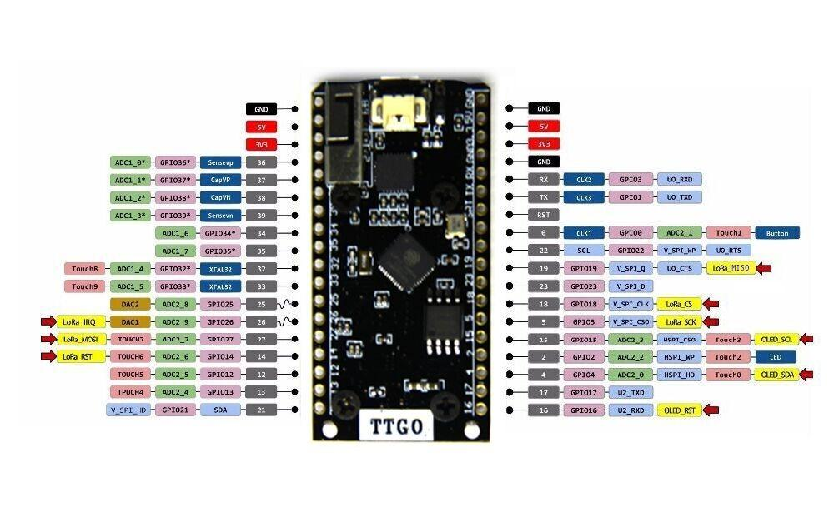

blocked |  | GND | GND
blocked |  | 5V | 5V
blocked |  | 3V3 | 3V3
blocked |  | 36 | GND
blocked |  | 37 | RX
 |  | 38 | TX
 |  | 39 | RST
 |  | 34 | 0
 |  | 35 | 22 |  | Pump
 |  | 32 | 19 | LORA
 |  | 33 | 23 |  | Expander IRQ
Valve D |  | 25 | 18 | LORA
 | LORA | 26 | 5 | LORA
 | LORA | 27 | 15 | SCLK DISPLAY
 | LORA | 14 | 2 | LED
Valve C |  | 12 | 4 | SDA DISPLAY
Valve A |  | 13 | 17
Valve B |  | 21 | 16 | RST DISPLAY

WROVER
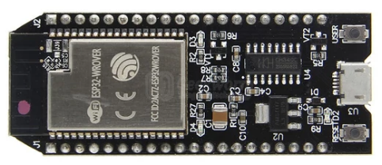
RSSI : 20 | 21:23:40
Level : 12 %
Pump: On | Flow: 100
Zone A: off | Zone C: off
Zone B: 12 s | Zone D: 12 s |  |  |  | RSV | 5V
 |  |  |  |  | CLK | CMD
 |  | 4 valves |  |  | SD0 | SD3
 |  | 1 flow |  |  | SD1 | SD2
 |  | 1 pump | wont boot if high | level | IO 15 | IO 13 | I2C SDA
 |  | 6 levels |  |  | IO 2 | GND
 |  |  |  |  | IO 0 | IO 12
 |  |  |  |  | IO 4 | IO 14 | level | wont boot ig high
 |  |  |  | I2C CLK | IO 16 | IO 27 | level | resets when low
 |  |  |  | valve | IO 17 | IO 26 | level
 |  |  |  | flow | IO 5 | IO 25 | level
 |  |  |  | valve | IO 18 | IO 33 | level
 |  |  |  | valve | IO 19 | IO 32 | level
 |  |  |  |  | GND | IO 35
 |  |  |  |  | IO 12 | IO 34
 |  |  |  |  | RXD0 | SVN
 |  |  |  |  | TXD0 | SVP
 |  |  |  | valve | IO 22 | EN
 |  |  |  | pump | IO 23 | 3V3
 |  |  |  |  | GND | GND

